Requirements
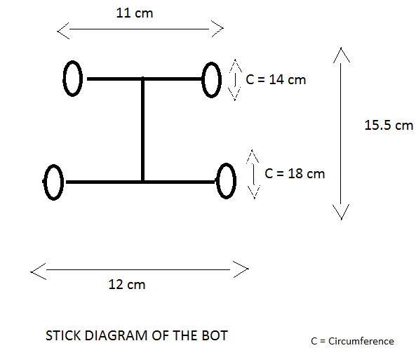
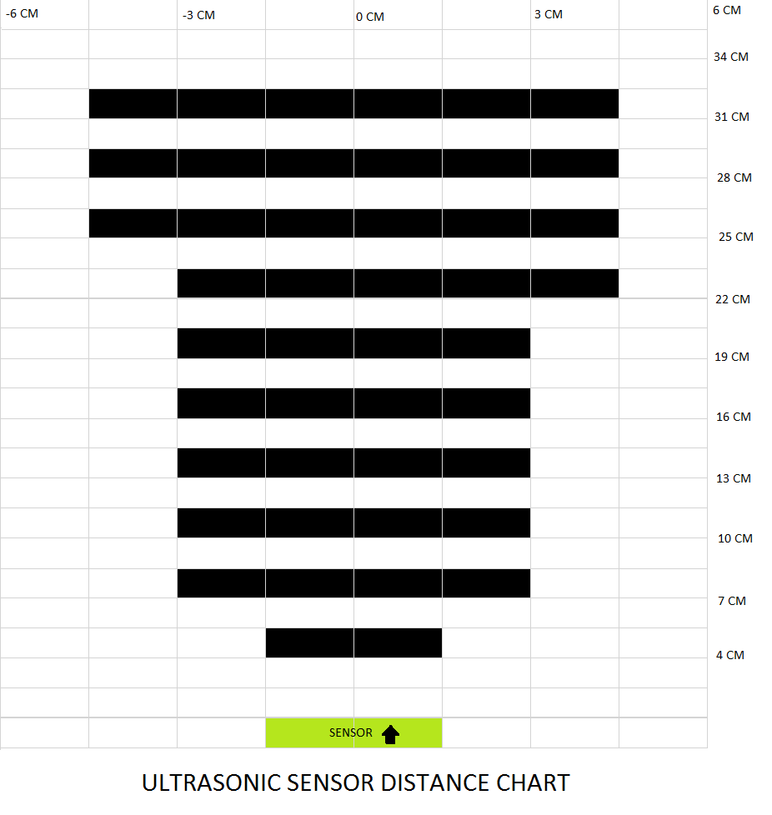
Req.ID | Feature | Requirement | Description | Responsibility | Ranking/Importance | Functional Req. ? | Associated Test ID | % Maturity | Severity of Fall-out [1, 2, 3] | Probability of Fall-out [%] | Risk | Remark
Req.001 | Initial Condition | 1. Maintain the input H2 pressure to the stack to 0.45 to 0.55 bar 2.SCU switch shall be in ON state |  | Wamique | 1 | No
Req.002 | Modes Selection | SW1 and SW2 connected to ESP32 shall determine the mode of operation | Mode of Operations for SW1 and SW2 are as follows: "00" : Manual OFF mode, irrespective of Battery SOC "01" : Automatic Mode. Based on Battery SOC, FCC shall work "10": Don't Care "11": Manual ON mode, irrespective of Battery SOC | Wamique | 1 | Yes
Req.003 | Manual OFF mode | when both switches are in OFF state ("00"), FCC shall be tuned OFF | FCC shall be tuned OFF and shall remain in this state unless mode is changed | Wamique | 1 | Yes
Req.004 | Manual ON mode | when both switches are in ON state ("00"), FCC shall be tuned ON | FCC shall be tuned ON and shall remain in this state unless mode is changed | Wamique
Req.005 | Activation of Fuel Cell System (Automatic Mode) | FCC shall be turned ON by master controller (ESP 32), when SOC of External LiPo battery falls below 20%. | FCC shall be turned ON. FC system shall start charging the LiPo Battery and simultaneously power the Load | Wamique | 1 | Yes
Req.006 | Deactivation of Fuel Cell System (Automatic Mode) | FCC shall be turned OFF by master controller (ESP32), whenever SOC of External LiPo battery is greater than 80% | FCC shall be turned OFF. FC system shall stop charging the LiPo Battery and stops power supply to load. | Wamique | 1 | No
Req.007 | Communication | FCC provide 8 bytes of data from its RS323 terminal | FCC provide information as follows: 1byte: Error Flag 2byte and 3byte: Fuel Cell Voltage 4byte and 5byte: Fuel Cell Current 6byte and 7byte: Fixed 0 8byte: Fuel Cell Temperature | Wamique | 1 | Yes
Req.008 | Automatic Shutdown of Fuel cell system | Fuel cell system automatically shut off, if defined error occurs | Defined Errors Flags: 1. Manually Turned Off (0x08) 2. Low Power Supply (11V) to FCC (0x04) 3. Fuel Cell voltage less than 30V (0x07) 4. Fuel Cell High Current than 16A (0x03) 5. Fuel cell temp. higher than 62 C (0x01) | Wamique | 1 | Yes
Req.009 | LCD Display | LCD is connected with the FCC and displays the current, voltage, temp. and errors of the fuel cell system | Displays data on LCD | Wamique | 2 | No
Req.010 | No Load Condition
Req.011 | Wacent Power Supply (DC-DC Converter) | wacent DC-DC Converter is connected in between Battery and Load . It is a boost converter to boost Battery 14.8V to 24V. | DC-DC 10-60V to 12-97V 1500W 30A Voltage Up Converter Boost CC CV Current rating:30Amps | Hossein | 1 | yes
Req.012 | Converter Module Step Down | wacent power supply is connected in between Fuel Cell controller and load. It is a buck converter to ramp down Fuel Cell Voltage from 40V to 24V. | input voltage range from 6V to 40V, the downward converter can accurately adjust the output voltage and current 96% high conversion efficiency, professional and time-saving to convert 24V to 12V | Hossein | 1 | yes
Req.013 | DC-DC Power Supply Adapter Step Down Module | DC-DC Power Supply Adapter Step Down Module is connected to baterry from input and from output is connected to MCU | (Information are from datasheet LM2596S)Input voltage: 4.5 - 40 V / Output voltage: adjustable 3.3 - 37 V | Hossein | 1 | yes
Req.014 | Swetup Schottky Diode | Schottky is connected between PMC and DC/DC converter | (Negetive pin to PMC and positive pin to DC/DC converter.)Schottky Diode 30 A 50 V Axial 30SQ050, maximum recurring peak lock voltage: 50V. Current Rating: 30Amps | Hossein | 1 | no
Req.015 | ESP32 | ESP32 is connected to PMCs, RS232toTTL, BMS and connected to local host by MQTT protocol. | AZDelivery ESP32 NodeMCU Module WLAN WiFi Dev Kit C Development Board with CP2102 (Successor Model to ESP8266) Compatible with Arduino and Includes E-Book | Hossein | 1 | no
Req.016 | GUI | GUI is a local host and recieve data from ESP32. | MQTT is a protocol which is used for making connection between ESP32 and local host. | Hossein | 1 | no
Req.017 | DC-DC Fuel cell controller | DC/DC converter should be able to regulate Batteries Output voltage(14.8V) into input voltage(13V) that Fuel Cell controller needed. | Power Supply Buck Converter DC-DC Converter Module, DC-DC Buck Down Converter Adjustable Power Supply Module 6.5V-60V to 1.25-30V Current Rating: 10Amps | Zahra | 1 | Yes
Req.018 | Control Software | ESP32 should controll the function of the system by interperting data it recieves from I/O. PMC1 is connected to Fuel Cell PMC2 is connected to Battery Inputs: BMS, Fuel cell controller, Switches. Outputs: PMC 1, PMC 2, Relay | The Battery SOC from BMS is the input for ESP32 | Zahra & Arvin | 1 | No
Req.019 | Control Software | When SOC of a battery falls below 20%, We shall turn ON the FCC to supply power to LOAD and Charge the Battery. | The Battery SOC from BMS is the input for ESP32 if the SOC is below 20% then: 1. Relay will be on for 2 sec to turn on the FCC 2. After 5sec, PMC2 will be OFF 3. PMC 1 will be ON | Zahra & Arvin | 1 | Yes
Req.020 | Control Software | When SOC of a battery falls is above 80%, We shall turn OFF the FCC to and supply Power from the Battery. | When the battries Charged above 80%: 1. Relay will be ON for 2 sec to turn Off the Fuel Cell 2. PMC 1 will be OFF 3. PMC 2 will be ON | Zahra & Arvin | 1 | Yes
Req.021 | PCBOverall PCB Design | 1.Conector Terminal Blocks,Rising Cage Clamp Family, WR-TBL Series: 4 with 3Pin/ 20 with 2 Pin 2.Resistors SMD package 0603: 20(10k)+ 8(100Ohm)+ 4(575Ohm)+ 4(1K) 3.Relay: 4 (JQC-3f 10A,5VDC) 4. 4 (BC547 SMD Package) 5.4 (1N4007 SMD Package) 6. 12( LED SMD Package 0603) 7. 4 (BZD27c5v1p) 8. 4 Mosfet(RF1S9540SM) 9.4 BJT (BCX70K) 10. 8 (Schottkey diode 30A 50V. 30SQ050) | The PCB contains 2 PMC circuits and the relay switch circuit as well as femail footprints for mounting the ESP32 module. the most components will be in SMD Packages. 1.Max 105um Copper outer layers. 2. Max 70um Copper iner layers. 3. Minimum Thickness 0.5mm 4. Max 150*100 mm | Zahra | 1 | Yes

